Sheet1
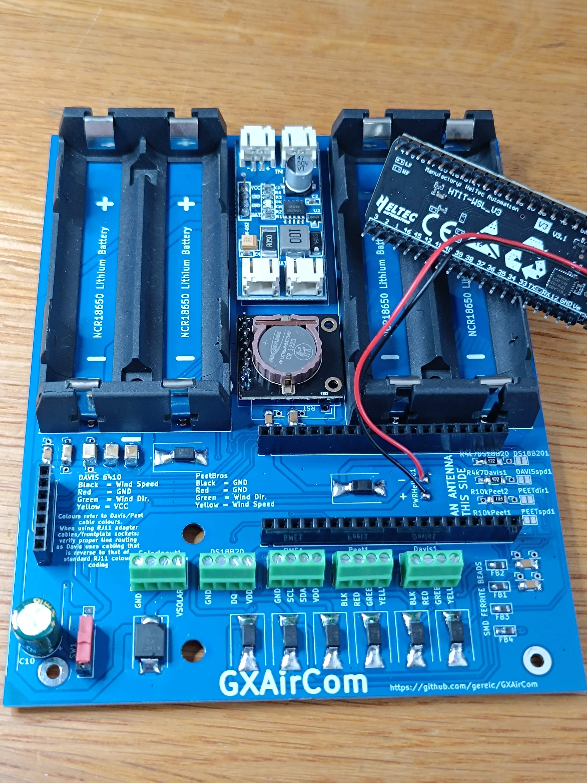
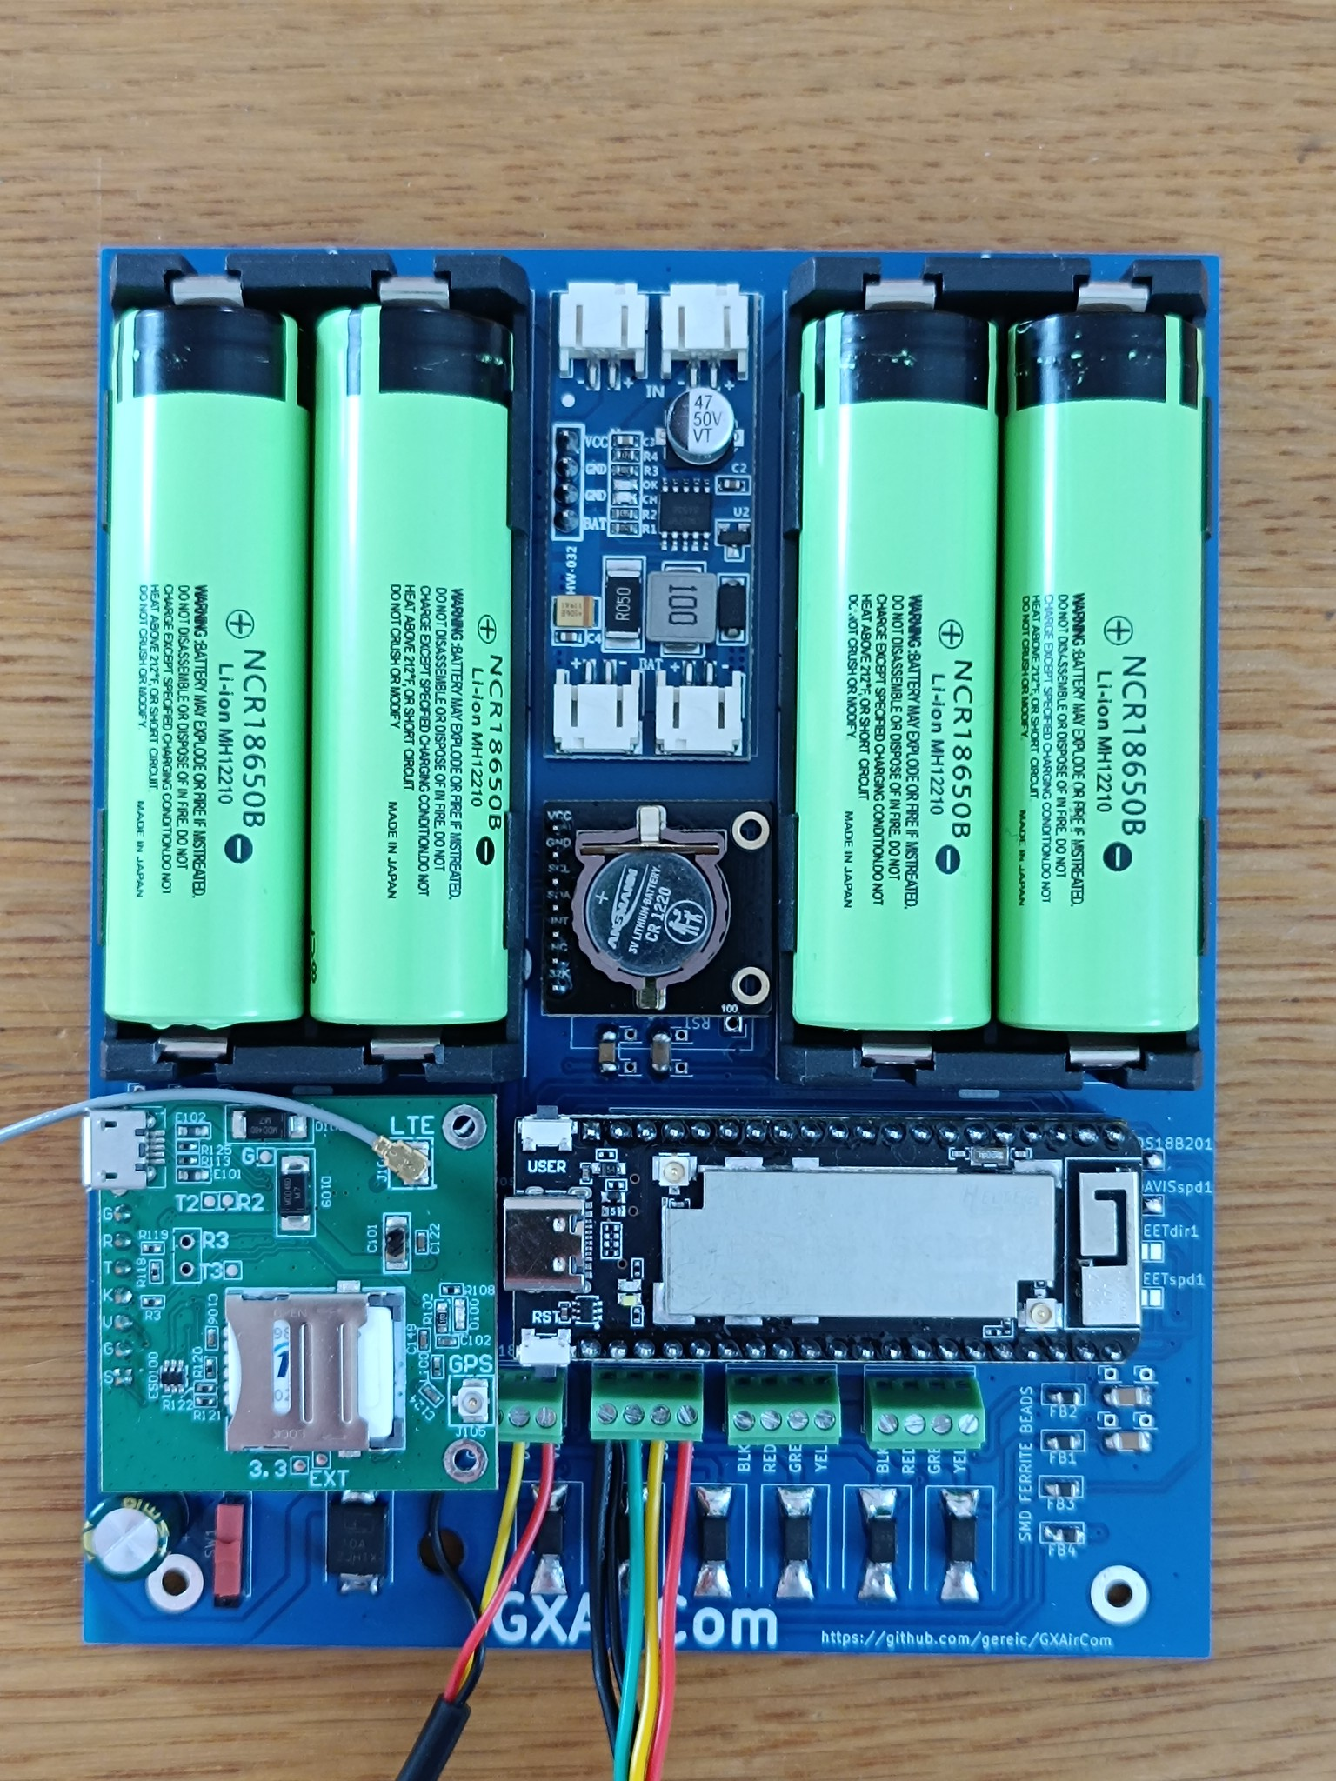
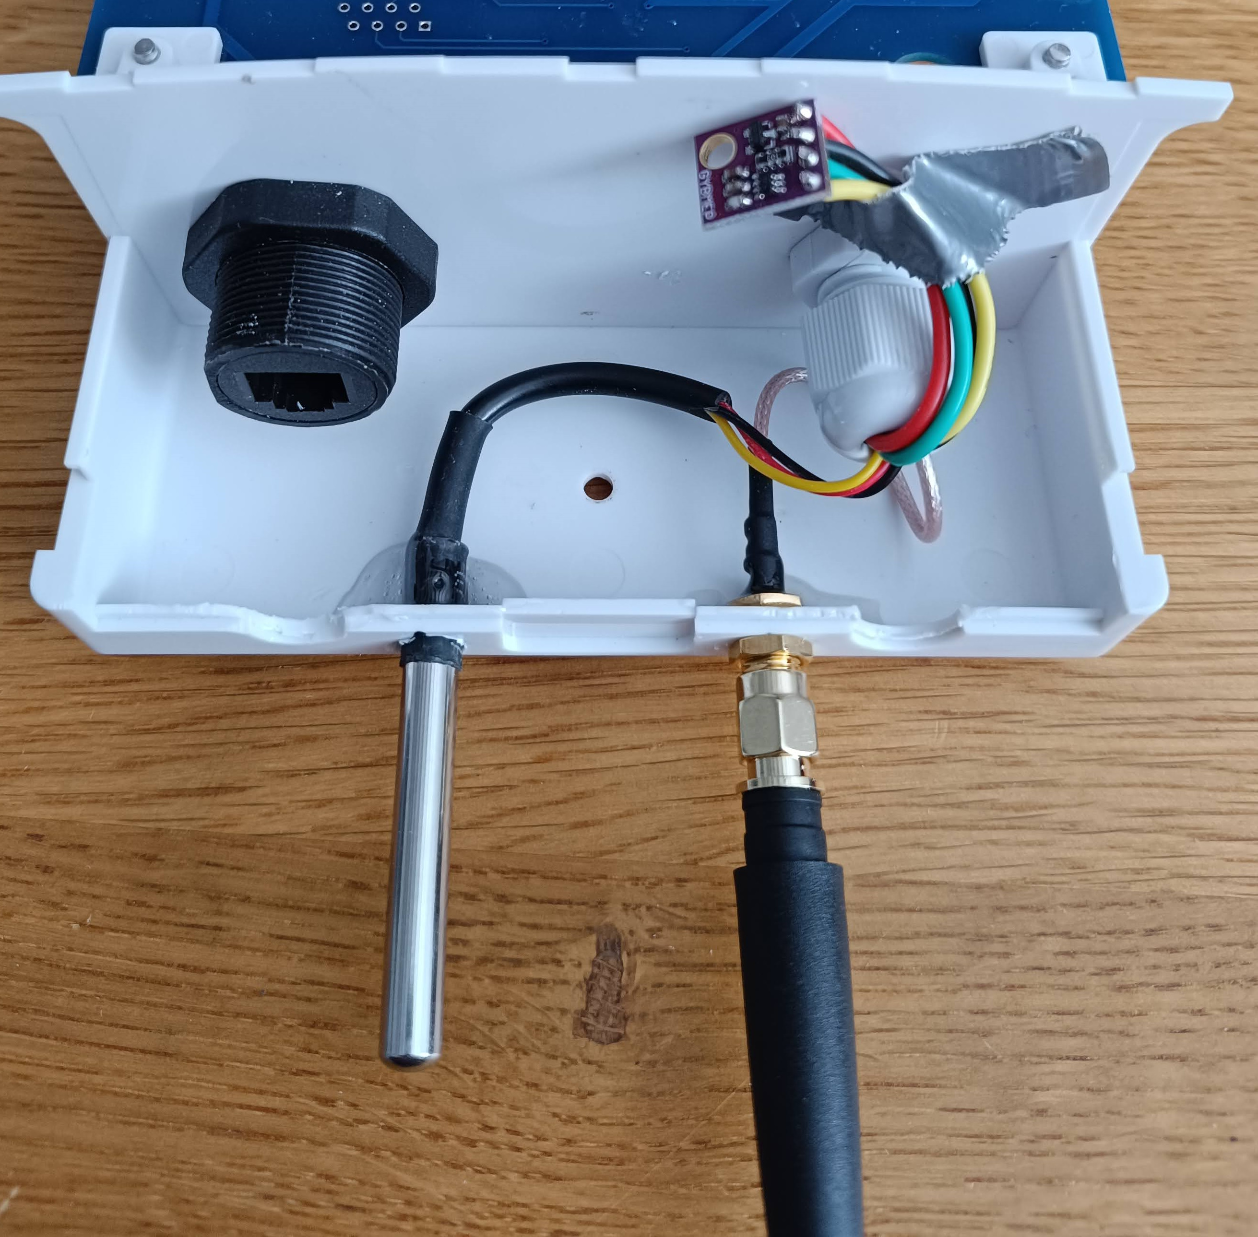
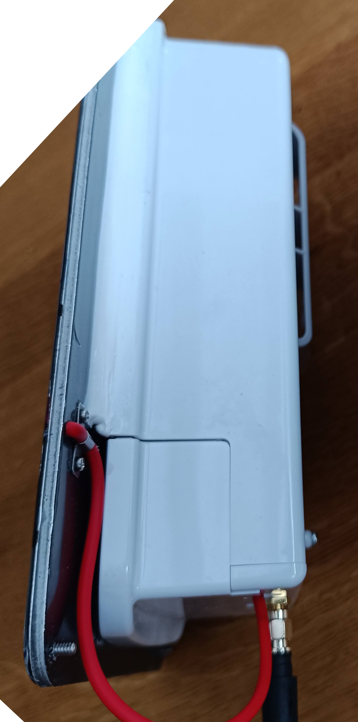
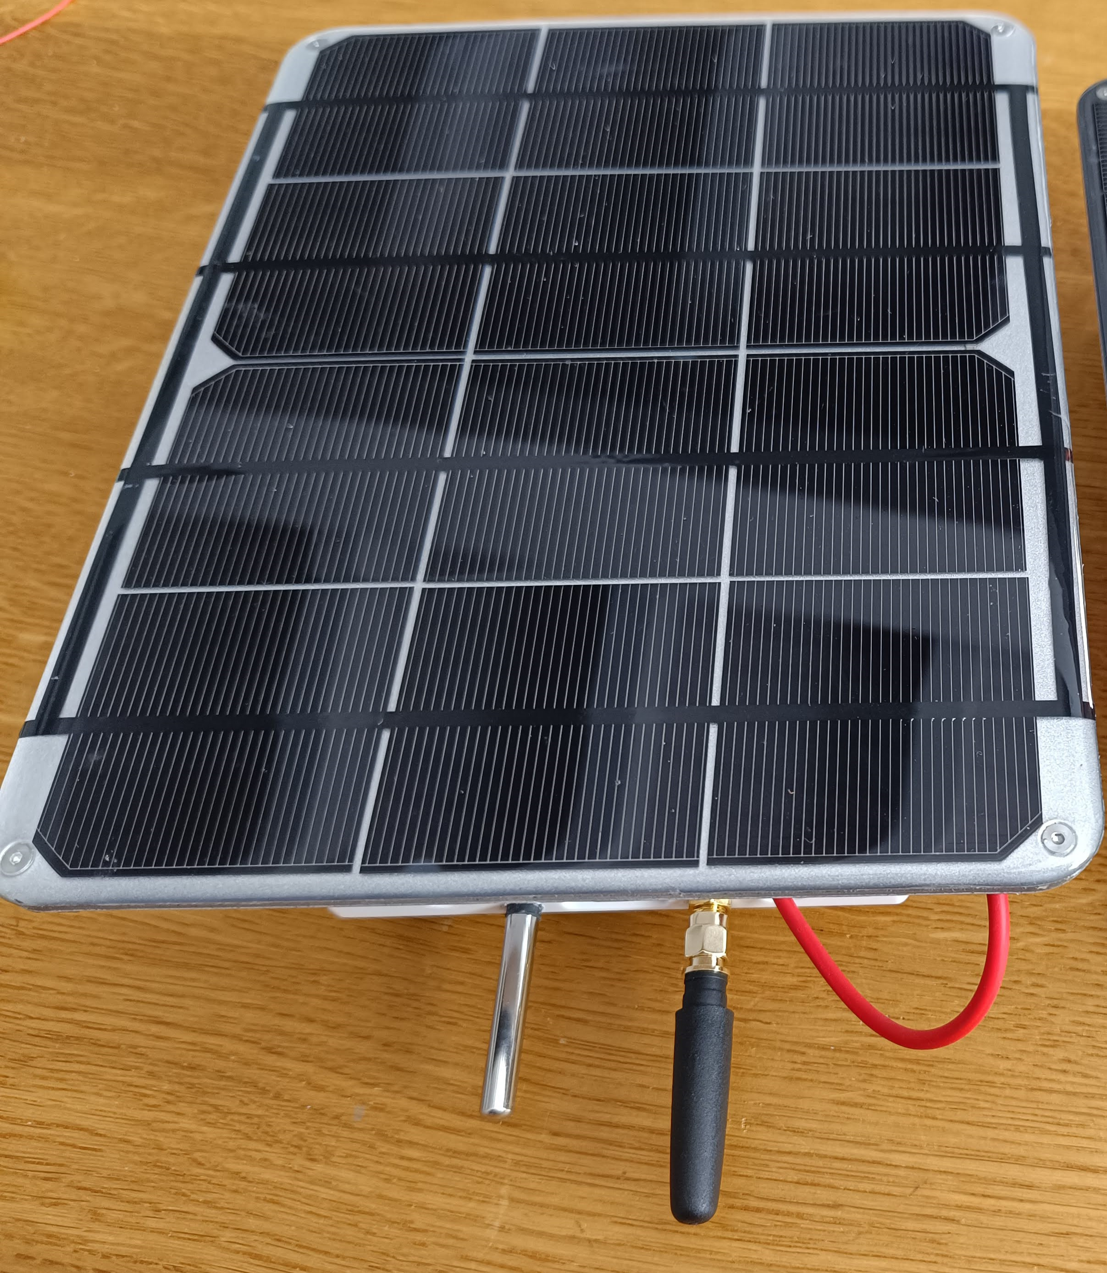
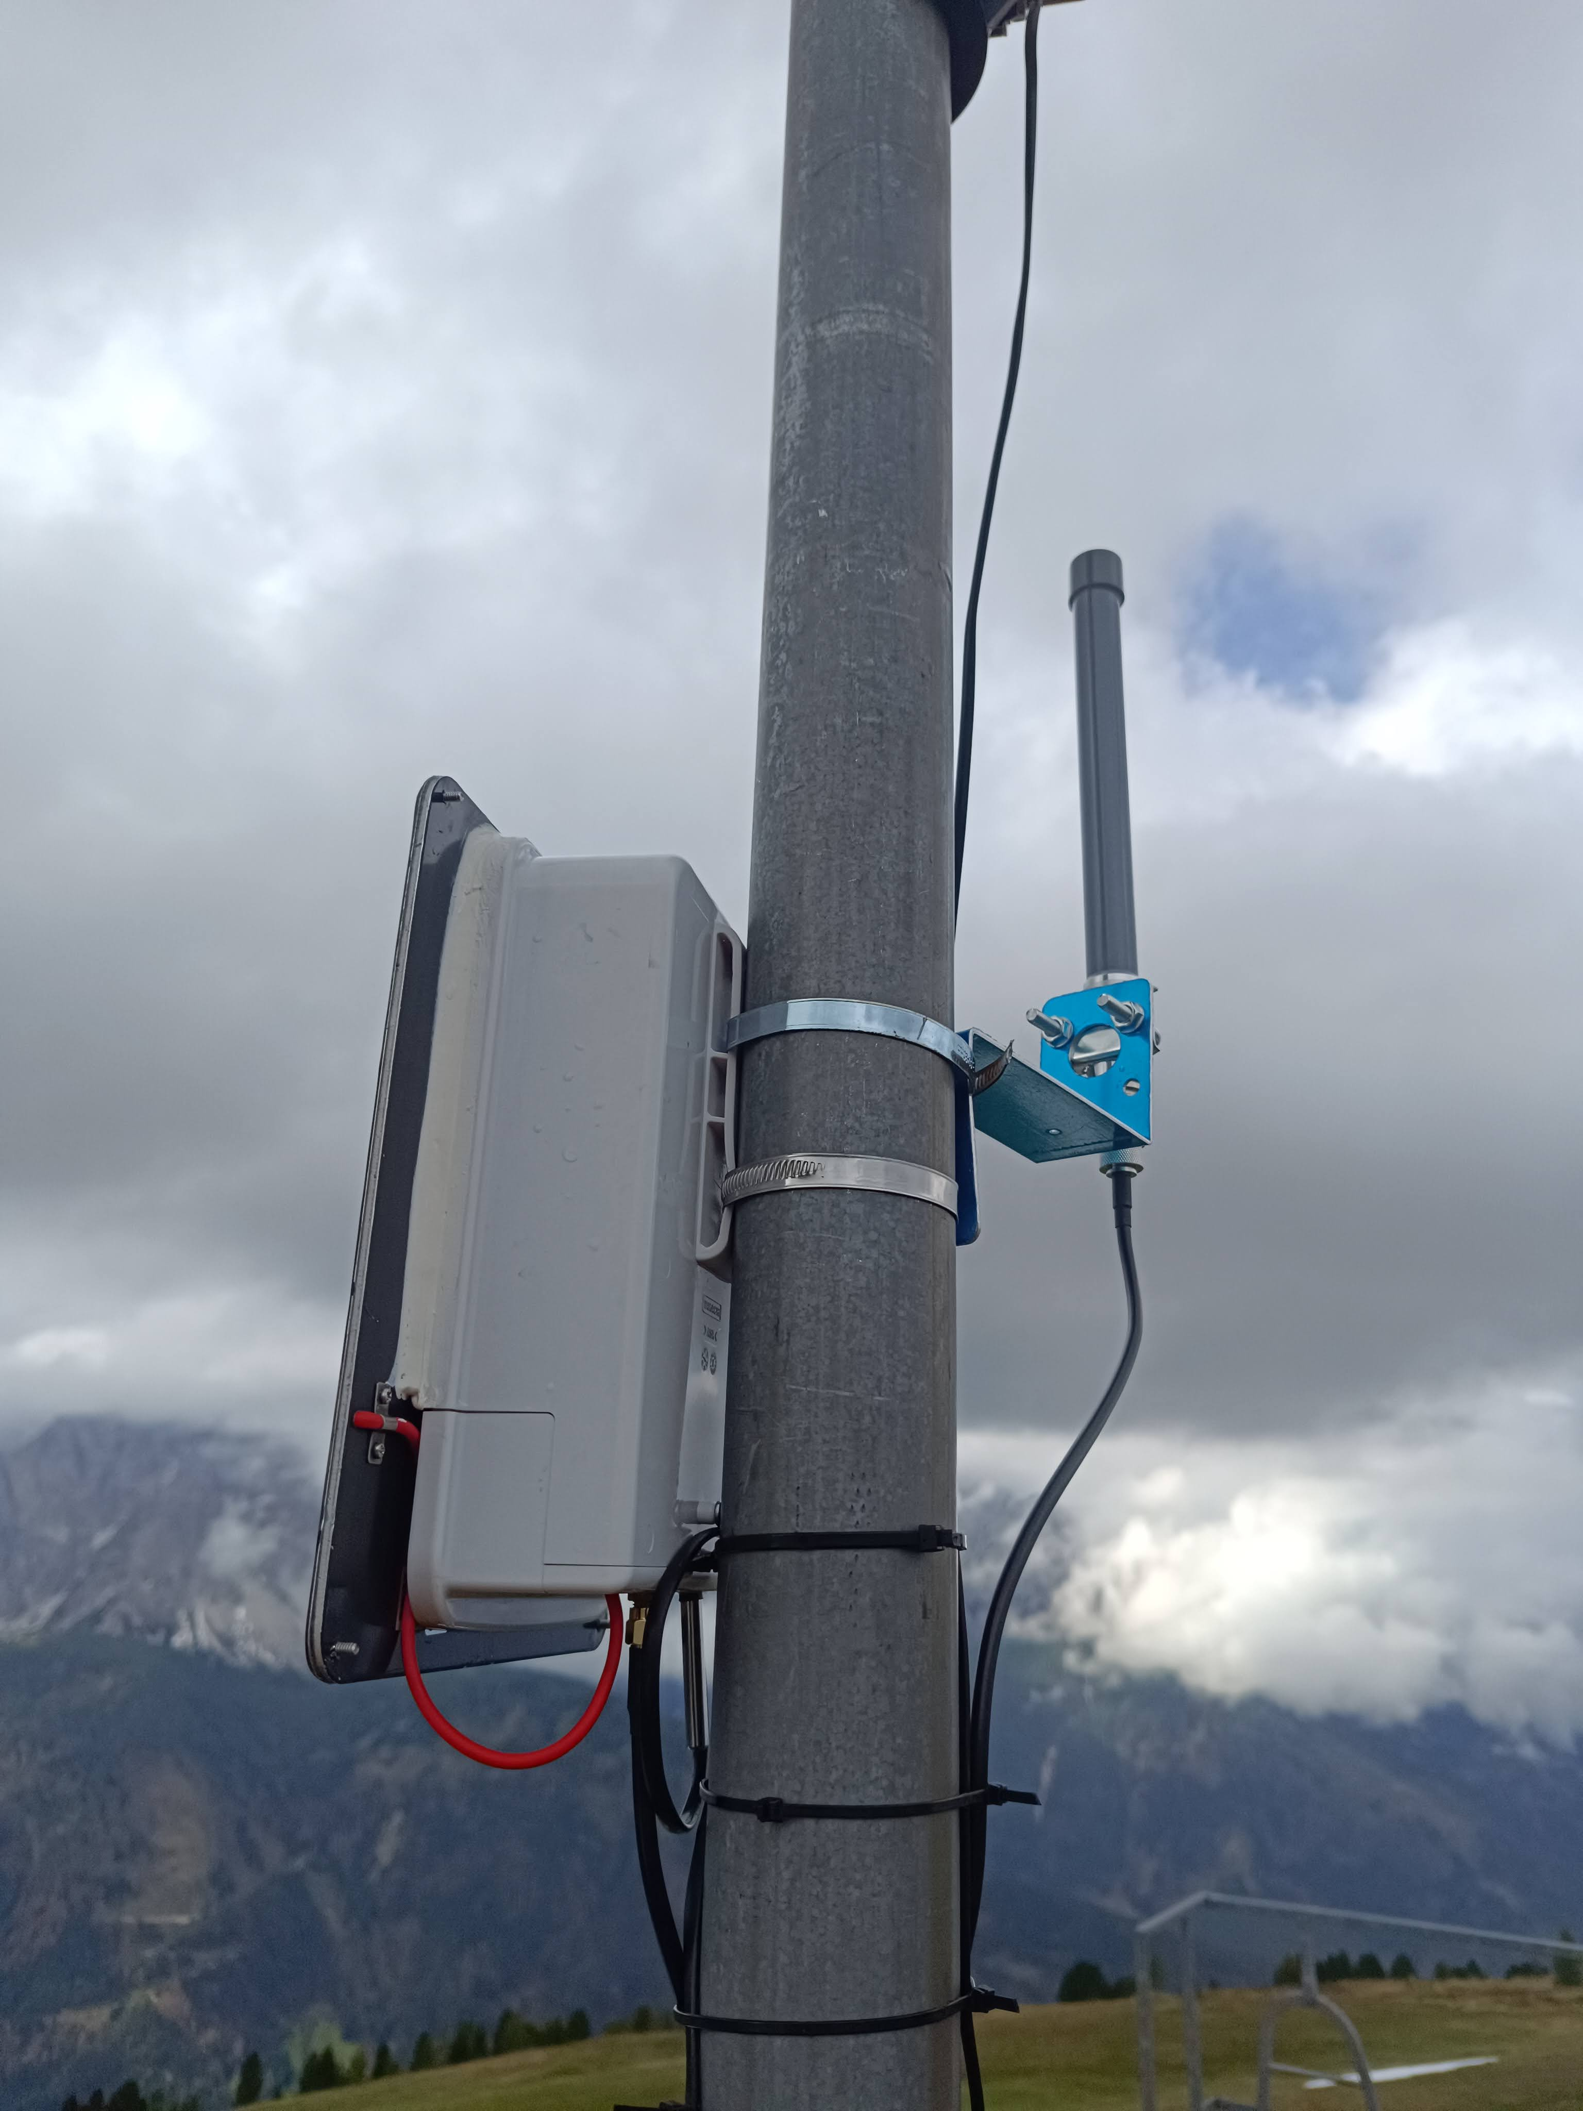
Part Description | Part Count | Comment | Aliexpress Link
Heltec Wireless Stick Lite(V3) | 1 | choose 863 – 870 MHz Version for Europe
Simcom 7080G IOT Modem | 1 | optional - ANDTech Model BK-SIM7080G | https://www.aliexpress.com/item/1005006800758481.html?spm=a2g0o.productlist.main.3.57f520e2VkRfbZ&algo_pvid=bc0f06ba-c2a5-41b6-9786-3b36b091daee&algo_exp_id=bc0f06ba-c2a5-41b6-9786-3b36b091daee-2&pdp_ext_f=%7B%22order%22%3A%2292%22%2C%22eval%22%3A%221%22%7D&pdp_npi=4%40dis%21USD%2130.27%2115.13%21%21%2130.27%2115.13%21%402140f54217390426051418989ea507%2112000038350231081%21sea%21CH%210%21ABX&curPageLogUid=w5qduwIHGijV&utparam-url=scene%3Asearch%7Cquery_from%3A
PCB | 1 | manufacture by sending Gerber Zip file to (for example) Jlcpcb.com
Case Takechi OB13-21-6W | 1 | outdoor case – suitable for mast mounting PCB is designed to slide into this case from the bottom
100nf ceramic capacitor | 4 | SMD (1206) – for example Würth 885012208030
10uf ceramic capacitor | 2 | SMD (1206), for example Yageo CC1206ZRY5V6BB106 | https://www.aliexpress.com/item/32886659892.html?spm=a2g0o.order_list.order_list_main.162.7f1e1802s9ysGy&fbclid=IwZXh0bgNhZW0CMTEAAR3rjxMNirFWivdKHjWB26zJry9kuejvEBmuPROd365wfG8NfLTlochj5UI_aem_LLES0taHp9BIG8m8Y62qAg
100uf ceramic capacitor | 3 | SMD (1210), for example Murata GRM32EC80J107ME20L
1000uf electrolyte capacitor | 1 | optional, for example RND 150EHR102M10BA
Ferrite Beads | 4 | Optional – SMD (805) – choose high impedance 2.7 kOhm – may be useful for additional interference filtering on signal lines - bridge with solder if not used – for example Würth 742792095
4.7kOhm Resistor | 2 | SMD (1206), for example Yageo RC1206JR-074K7L
10 kOhm Resistor | 2 | SMD (1206), for example Yageo RC1206JR-0710KL
3.3V TVS protection diode | 7 | SMLVT3V3 – protects sensor and power circuits from the effects of lightning
5V TVS protection diode | 1 | SMAJ5.0A-TR - protects the battery circuit from the effects of lightning
8.5 V TVS protection diode | 1 | 1.5SMC10A – 8.5V protects the solar circuit from the effects of lightning
DFRobot Fermion: DS3231 Precise RTC, or | 1 | if a BME280 is used, two pullup resistors may need to be removed to prevent too many pullup resistors on the i2c bus (test) | https://www.dfrobot.com/product-2313.html
DFRobot Fermion: SD3031 Precise RTC, or | 1 | cheaper Alternative to the DS3231 listed above
Adafruit DS3231 Precision RTC Breakout | 1 | (more expensive) alternative to the DFRobot RTC modules…..does nothing better, just costs more
2.54mm 4pin screw terminal block | 5 |  | https://www.aliexpress.com/item/1005006316109101.html?spm=a2g0o.order_list.order_list_main.48.7f1e1802s9ysGy
DS18b20 temperature sensor | 1 | can be used without a BME280 if only temperature is required – BME280 can be added in addition for humidity and air pressure measurement | https://www.aliexpress.com/item/1005004105448773.html?spm=a2g0o.productlist.main.1.47c178f4pYrd76&algo_pvid=1a6be69c-ad69-419b-8bd5-487e97b52af6&algo_exp_id=1a6be69c-ad69-419b-8bd5-487e97b52af6-0&pdp_npi=4%40dis%21USD%218.64%218.14%21%21%218.64%218.14%21%40211b807017373083537176630eb307%2112000028050941191%21sea%21CH%210%21ABX&curPageLogUid=9bje9uNrL0Fp&utparam-url=scene%3Asearch%7Cquery_from%3A
20 Pin 2.54mm single row pin header female socket | 2 | for mounting Heltec module in PCB | https://www.aliexpress.com/item/1005001418544370.html?spm=a2g0o.productlist.main.1.354215f8JUbs3k&algo_pvid=27854902-0055-4631-b3c6-2b422c205081&algo_exp_id=27854902-0055-4631-b3c6-2b422c205081-0&pdp_npi=4%40dis%21USD%211.77%211.27%21%21%211.77%211.27%21%40211b431017373076921021726ebb6e%2112000016029074112%21sea%21CH%210%21ABX&curPageLogUid=4ZTyVvusClrF&utparam-url=scene%3Asearch%7Cquery_from%3A
7 Pin 2.54mm single row pin header female socket | 1 | for mounting optional Simcom 7080G IOT Modem | https://www.aliexpress.com/item/1005001418544370.html?spm=a2g0o.productlist.main.1.354215f8JUbs3k&algo_pvid=27854902-0055-4631-b3c6-2b422c205081&algo_exp_id=27854902-0055-4631-b3c6-2b422c205081-0&pdp_npi=4%40dis%21USD%211.77%211.27%21%21%211.77%211.27%21%40211b431017373076921021726ebb6e%2112000016029074112%21sea%21CH%210%21ABX&curPageLogUid=4ZTyVvusClrF&utparam-url=scene%3Asearch%7Cquery_from%3A
Würth Mini Slide Switch 2.54mm | 1 | Wurth Part Nr. 450301014042 | https://www.aliexpress.com/item/1005004887491768.html?spm=a2g0o.order_list.order_list_main.250.7f1e1802s9ysGy
18650B Lithium Battery | 4 |  | https://www.aliexpress.com/item/32771532107.html?spm=a2g0o.order_list.order_list_main.240.7f1e1802s9ysGy
Battery Holder for 2 18650 batteries | 2 | can also be sourced as Keystone Electronics 1049P | https://www.aliexpress.com/item/32656085572.html?spm=a2g0o.order_list.order_list_main.182.7f1e1802s9ysGy
Antenna connector cable - 15cm normal SMA female to Ufl | 1 | Heltec to case bulkhead | https://www.aliexpress.com/item/1005003823116481.html?spm=a2g0o.productlist.main.1.3ef04916EHG9a5&algo_pvid=ef44e719-e218-4096-bea0-a0cf260ac4ca&algo_exp_id=ef44e719-e218-4096-bea0-a0cf260ac4ca-0&pdp_npi=4%40dis%21USD%213.15%212.65%21%21%2123.04%2119.39%21%40211b815c17373082109476370e262e%2112000027275978853%21sea%21CH%210%21ABX&curPageLogUid=3w8jaQkBvOGc&utparam-url=scene%3Asearch%7Cquery_from%3A
868 Mhz Antenna | 1 | SMA male - CS family store on Aliexpress tend to have reliably tuned antenna | https://www.aliexpress.com/item/32811207766.html?pdp_npi=4%40dis%21USD%21US%20%242.13%21US%20%242.13%21%21%212.13%212.13%21%40211b813b17203450413335695e2c6d%2112000028736584935%21sh%21CH%21181731974%21&spm=a2g0o.store_pc_allItems_or_groupList.new_all_items_2007599136552.32811207766
RJ11 XHP 2.54 Waterproof Connector | 1 | provides a socket on the front panel to plug in the cable from the wind sensor – before connecting read warning on PCB about reverse cable colours ! | https://www.aliexpress.com/item/1005004064498188.html?spm=a2g0o.order_list.order_list_main.126.7f1e1802s9ysGy
CN3791 Solar Charger Module | 1 | choose the 6V version if using a 6V solar panel, 5V version if using a 5V solar panel (for example the ETFE panels from Adafruit) | https://www.aliexpress.com/item/1005006674776560.html?spm=a2g0o.productlist.main.1.700e65efUoXPh0&algo_pvid=534b7349-975e-4936-b7a3-d28ebd933324&algo_exp_id=534b7349-975e-4936-b7a3-d28ebd933324-0&pdp_npi=4%40dis%21USD%212.23%211.73%21%21%2116.30%2112.65%21%4021038e6617373107104288339e4039%2112000037986224787%21sea%21CH%210%21ABX&curPageLogUid=T37ZlSTlB2CA&utparam-url=scene%3Asearch%7Cquery_from%3A
4 pin and 7 pin 2.54mm header to mount solar charger and RTC | 1 | get a long header and break off suitable lengths | https://www.aliexpress.com/item/32973181162.html?spm=a2g0o.productlist.main.3.7f7b10dfpar60P&algo_pvid=4c5ec552-fed5-42eb-b7cd-c764668ba3a7&algo_exp_id=4c5ec552-fed5-42eb-b7cd-c764668ba3a7-1&pdp_npi=4%40dis%21USD%211.62%211.12%21%21%211.62%211.12%21%40211b80d117373116892508329ed721%2166700241728%21sea%21CH%210%21ABX&curPageLogUid=MyEOyOoSjT4V&utparam-url=scene%3Asearch%7Cquery_from%3A
M12 cable gland | 1 | M10 would also be OK if not using BME280 | https://www.aliexpress.com/item/1005005727406479.html?spm=a2g0o.order_list.order_list_main.68.d5411802pwpcox
Solar Panel 6V | 1 | the most difficult component to source, about 6W at 6V will be sufficient, Voltaic Systems make good panels (also sold by Adafruit); Aliexpress Epoxy (acceptable) or PET (least preferred) panels will not last as long…..but are much cheaper; in Europe Kiwi Electronics from the Netherlands tend to stock a good selection – when using a 5V panel instead of 6V be sure to also use a charger that is specified for 5V panel (CN3791 chargers come in diferent voltage versions)
Sikaflex Adhesive (for example 291) |  | to bond the solar panel to the case
3M VHB tape |  | to initially bond the solar panel to the case and create a small solar angle (by stacking several strips of tape on top of each other
2 component epoxy adhesive |  | used to secure connectors on the frontplate against movement/rotation – for example UHU schnellfest type

BME280 sensor board | 1 | optional – if air pressure and humidity are desired – may require removal of resistors so that i2c bus functions correctly; BME tend to be sensitive and break with time
Davis 6410 Wind Sensor |  | a bit expensive, but high quality and with no moving internal parts – the best choice IMHO
Peet Bros ULTIMETER PRO |  | alternative to the the Davis Wind sensor – slightly less susceptible to deep winter freezing, will show only north direction in no wind situations due to measurement principle…..the Davis sensor is better
Misol |  | least recommended – the PCB and software also support the mechanical winds sensor type that was for example used on the Skytraxx weather stations

3.2 X 13mm wood/metal screw to secure case from the outside against sliding out

CR1220 battery | 1 | for the RTC clock module

hose clamp (depending on diameter of mast) |  | used to mount the Takeshi case to the mast – diameter depending on diameter of mast tube

Hints
placement of TVS diodes: |  | for unidirectional diodes the side with the thin line has to go to the plus voltage side – the other side is connected to ground

lightning protection |  | place wind sensor on a mast with good earth connection, locate wind sensor at least 1,5m from highest point of mast, construct a shielding metal ring above the wind sensor in very lightning prone locations

soldering |  | use leaded solder, a thickness of between 0.6 to 0.8 mm
 |  | use a temperature controlled soldering iron at about 360 degrees celsius; a Fnirsi HS-02A USB powered soldering iron would work fine
 |  | use solder flux (flux pen) – this makes soldering SMD components much easier
 |  | watch a couple of Youtube videos on soldering techniques
 |  | use a desktop magnifying glass with built in light

resistors on i2c bus |  | if a RTC and BME280 are used together, make sure to remove the two bus resistors prior to mounting the RTC (on the DFRobot 3231 RTC module the two resistors have the number 103 and are located just below the “...ot.com” wording

switch |  | if not fitting a power switch, the power switch can be bridged via the adjacent solder bridge

wind sensor selection |  | activate the appropriate pullup resistors with the solder bridges at the board edge under the Heltec Lite

additional questions |  | there is an active Facebook group for anything concerning GXAircom

Through hole components alternatives |  | it is your choice – except for the (not really essential) ferrite beads all other components can also be selected as through hole components
 |  | the following are suitable through hole alternatives
 |  | 1/8 w resistors (10kOhm and 4.7kOhm), (probably best to just purchase these as an assorted set off Aliexpress), stick with 1/8w due to PCB hole sizes
 | 1 | Littlefuse sa5.0A – 5V TVS diode – for the 3.3V positions it is recommended to use 3.3V SMD diodes (although 5V throughole would probably also avert damage to the ESP32)
 | 1 | Littlefuse SA8.5A TVS diode
 | 4 | 100nF ceramic capacitors (probably best to just purchase these as an assorted set off Aliexpress)
 | 1 | 10 uF ceramic capacitor
 | 1 | 100 uF electrolyte capacitor (10 or 15V will be sufficient)

Optional separate Antenna for mast mount
 |  | RG58 Cable N Female Jack to SMA Male Plug Straight RF Coaxial Jumper Pigtail Connector Wire ( keep cable as short as possible to avoid signal loss) | https://www.aliexpress.com/item/33034039405.html?spm=a2g0o.order_list.order_list_main.78.6dfa18021Mzddh
 |  | Antenna mast fixing bracket | https://www.aliexpress.com/item/1005006202861278.html?spm=a2g0o.order_list.order_list_main.95.6dfa18021Mzddh
 |  | LoRa 868MHz Antenna N Male - Ziisor brand - 3dBi would be sensible – higher gain antenna are not recommended as they become too directional | https://www.aliexpress.com/item/1005002775186081.html?spm=a2g0o.order_list.order_list_main.496.6dfa18021Mzddh

the following pictures show the PCB and case – Note: it is recommended to place the antenna connector and temperature sensor more towards the outside edges than is shown on the pictures – this reduces obstruction by the mast
Zoom out to view pictures

